Rata-rata Lama Tinggal
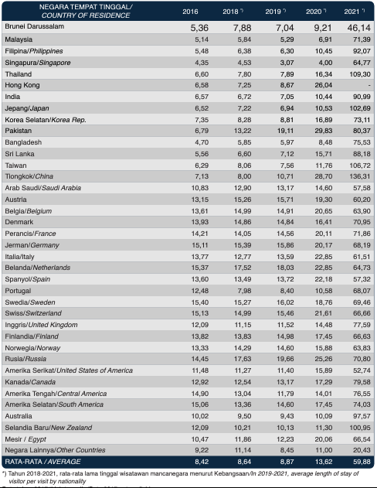
Tahun | Rata-rata
Tahun 2019 | 8.87
Tahun 2020 | 13.62
Tahun 2021 | 59.88

Data by KEMENPAREKRAF
https://api2.kemenparekraf.go.id/storage/app/uploads/public/63e/d97/ee0/63ed97ee0d725322003931.pdf

Devisa Pariwisata 17-21
 | `
Wilayah | 2017 | 2018 | 2019 | 2020 | 2021 | Tahun | Jumlah Devisa
Indonesia | 13.14 | 16.43 | 16.91 | 3.31 | 0.54 | 2017 | 13.14
 |  |  |  |  |  | 2018 | 16.43
Sumber: Bank Indonesia |  |  |  |  |  | 2019 | 16.91
Source Url: https://www.bps.go.id/indicator/16/1160/2/jumlah-devisa-sektor-pariwisata.html |  |  |  |  |  | 2020 | 3.31
Access Time: May 22, 2023, 2:07 pm |  |  |  |  |  | 2021 | 0.54

